Sheet1
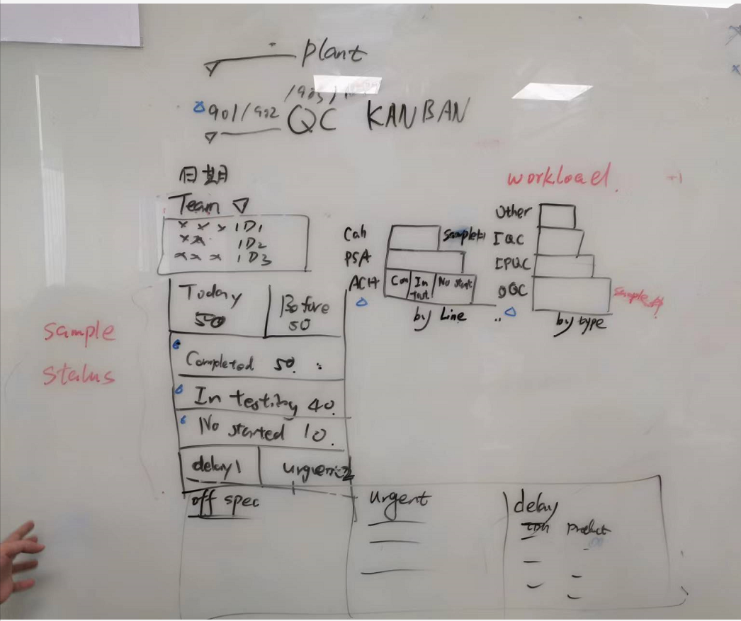
No. | RTM Reference | Henkel requirements | Days
1 | 4.11.1.1 | 需要有两个仪表盘，一个为带有过滤条件的静态仪表盘，一个是默认条件但是定时刷新的动态仪表盘；两个仪表盘中显示的内容一致 | 2
2 | 4.11.1.2 | 带有过滤条件的静态仪表盘的过滤条件为：plant, work center, business team(group) | 1
3 | 4.11.1.3 | 默认条件的动态仪表盘的过滤条件为：当前登录人员所在的plant, work center, business team(group) | 1
4 | 4.11.1.4 | 仪表盘中需显示：Date of the day、of that day, the lists of on-duty operators, only showing the operator ID | 1
5 | 4.11.1.5 | 仪表盘中需显示：of the criteria, the statistic of all the tasks ： 当天收样但未审核完成的样品数量 当天之前收样但未审核完成的样品数量 测试已完成的样品数量completed 测试中的样品数量in-testing（sample状态为Available，sample下 test存在In Progress，Completed、Authorised状态的） 未开始的样品数量not started（sample状态为Available，且sample下的test没有In Progress、Completed、Authorised 、Rejected状态的） the count of delayed sample the count of urgent sample | 3
6 | 4.11.1.6 | 仪表盘中需显示：the list of delayed sample | 1
7 | 4.11.1.7 | 仪表盘中需显示：the list of urgent sample | 1
8 | 4.11.1.8 | 仪表盘中需显示：the column chart in which x axis has the Sample Count, and y axis has the product line.且柱状图中按照样品状态（未开始，测试中，测试已完成）分颜色显示 | 3
9 | 4.11.1.9 | 仪表盘中需显示：anotther column chart in which x axis has the Sample Count, and y axis has the inspection type (IQC, OQC, IPQC)，且柱状图中按照样品状态（未开始，测试中，测试已完成）分颜色显示 | 3
 |  | SOW:3days | 16

 |  | 针对该Dashboard客户BI自己做，TF只提供表字典、数据逻辑-sample、test，plant、work center, business team(group)、phrase、operator | 2

 |  | 讲清楚过滤条件过多会影响效率，还有实时刷新

